Sheet8
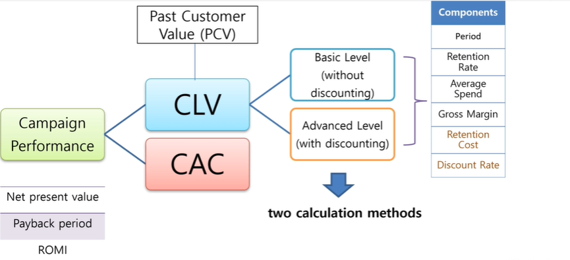

Advanced CLV
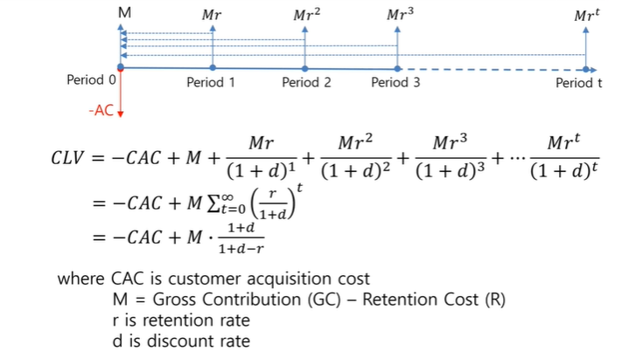
 |  |  | M | Contribution margin per customer per period (average net cash flow)
 |  |  | GC | Sales -COGS

Advanced CLV
New customer count | 150 |  | CLV= | (-$1525/150) + ($10 * 50% - $0.2) * ( (1+1%)/(1+1%-70%))
Acquistion cost | $1,525 |  | CLV= | $5.47
Period | month
Retention rate | 70% |  | Total CLV = | CLV * New Customer Count | $821
Average customer spend per period | $10
Gross margin | 50%
Retention cost | $0.2 | per customer
Discount rate | 1%

Basic CLV
New customer count | 150 |  | CLV= | (-$1525/150) + ($10 * 50% - $0) * ( (1+0%)/(1+0%-70%)) | 3.33 | same as average customer life time in Basic CLV calculation
Acquistion cost | $1,525 |  | CLV= | $6.50
Period | month
Retention rate | 70% |  | Total CLV = | CLV * New Customer Count | $975 | vs. | $821
Average customer spend per period | $10
Gross margin | 50%
Retention cost | $- | per customer
Discount rate | 0%

Example
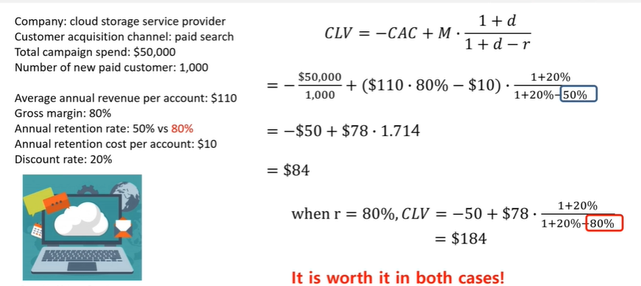
Company | Cloud storage service provider
Customer acquistion channel | Paid search
Total campagin spend | $50,000
Number of new paid customer | 1000
Avg annual revenue per account | $110
Gross margin | 80%
Annual retention rate | 50%
Annual retention cost per account | $10
Discount rate | 20%

CAC | $50 | Average cost to acquire a customer

CLV with discounting

Year | #of Active customers | Contribution margin per account per year(M) | CLV with discounting
0 | 1000 | $78 | $78,000 | payback period | 1 year
1 | 500 | $78 | $32,500
2 | 250 | $78 | $13,542
3 | 125 | $78 | $5,642
4 | 63 | $78 | $2,351
5 | 31 | $78 | $980
6 | 16 | $78 | $408
7 | 8 | $78 | $170
8 | 4 | $78 | $71
9 | 2 | $78 | $30
10 | 1 | $78 | $12

 | Total CLV | $83,705 | Sum of CLV of all period - CAC
 | Average CLV | $84 | per customer

